Cover
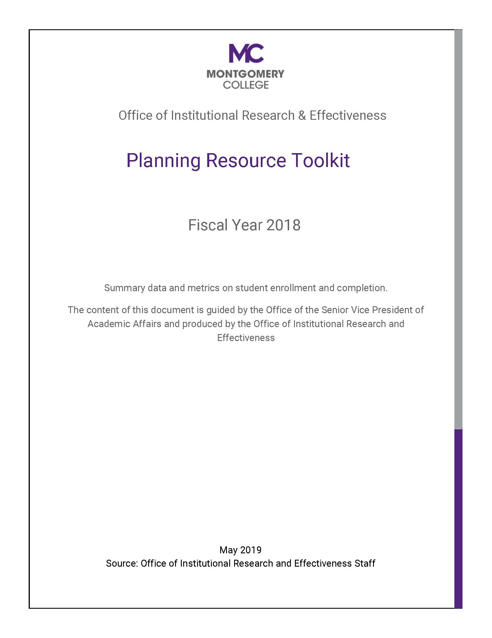

Table of Content
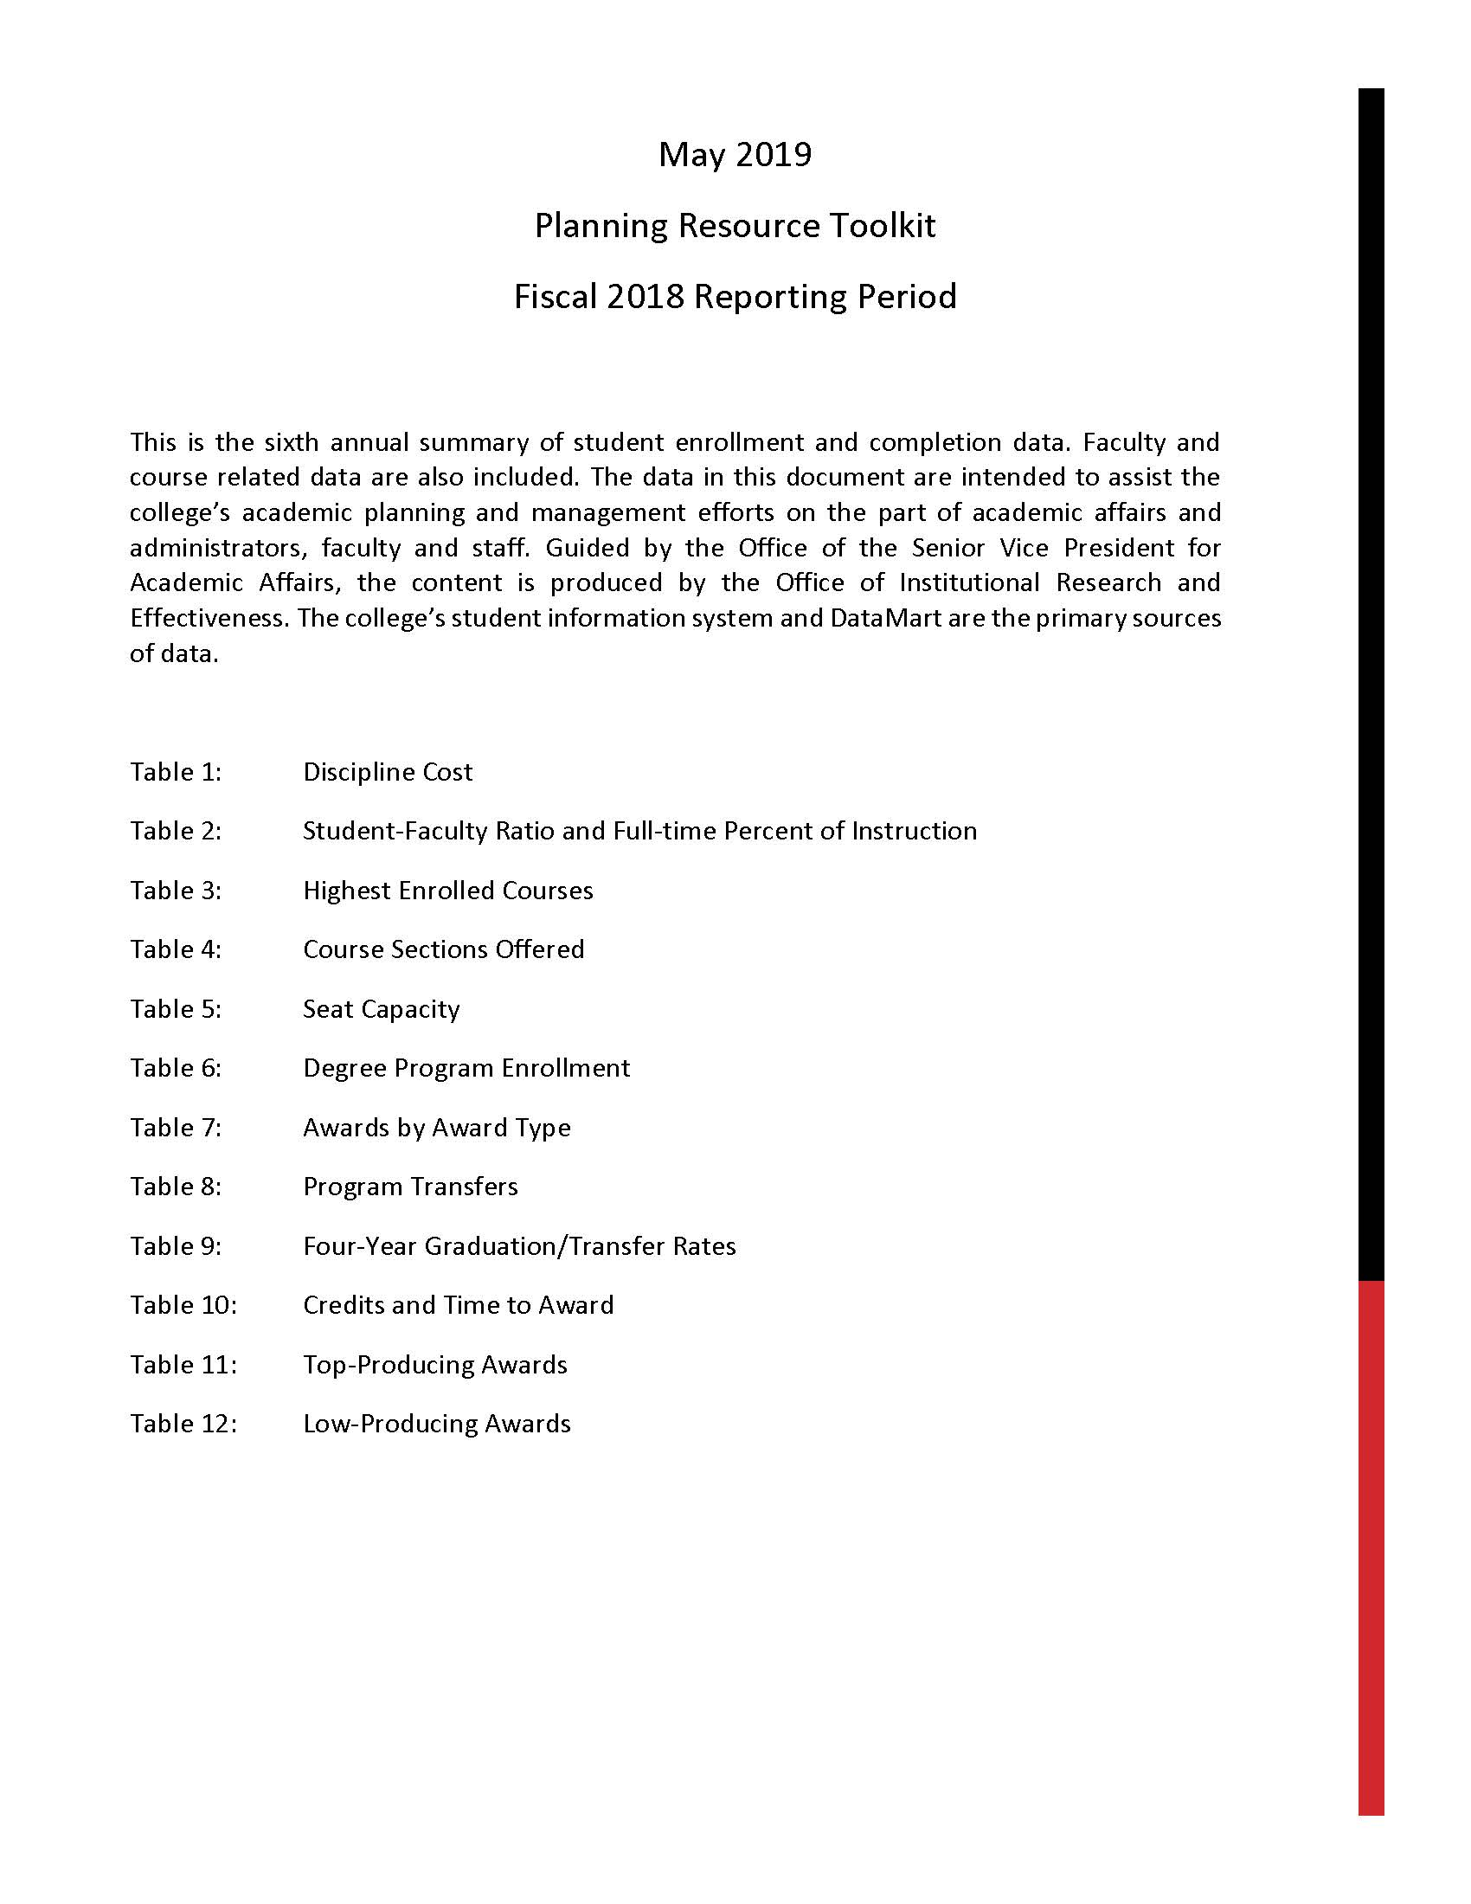

Table 1 Discipline Cost
TABLE 1

FY17 and FY18 Discipline Cost
d

Expenditures attributed to a discipline ("subject") grouped by VPP and Dean.
Table 1:

Table 2 Student Faculty Ratios
TABLE 2

Full-Time / Part-Time Faculty Ratios and Student-Faculty Ratio

Student-Faculty ratio (computed as total bill hours of enrollment divided by faculty ESH) and the "Full-Time/Part-Time Faculty ratio" (the proportion of faculty ESH that full-time faculty used of the total ESH for full and part-time faculty).
Table 2-A:

Student-faculty ratio data by time of day and campus
Table 2-B:

Table 3 Highest Enrolled Course
TABLE 3

Highest Enrolled Courses

100 courses Collegewide with the most enrollments in FY18
List of the top 50 courses at each campus with the largest number of students enrolled
Table 3:

Table 4 Course Sections Offered
TABLE 4

Course Sections Offered Active and Cancelled Classes by Subject and Campus

Sections of courses in a discipline were offered during the fiscal year. Reports on the number of those sections that were active (ran) and cancelled.
Table 4:

Table 5 Seat Capacity
TABLE 5

Seat Capacity by Discipline and Time of Day

Average number of "maximum enrollments" in a course and the percentage of those enrollments realized for that discipline's courses during FY18.
Table 5:

Table 6 Degree Program Enrlmnt
TABLE 6

Degree Program Enrollment

Unduplicated students in an academic program of study (MC Major Codes) during each of the last five fiscal years.
Table 6

Table 7 Awards by Type
TABLE 7

Awards by Type

The number of awards by award type.
Table 7

Table 8 Program Transfers
TABLE 8

Program Transfers

The number of students enrolled in a given fiscal year and transferred to a four-yuear institution during that year or the subsequent fall semester--organized by students' academic program of study at Montgomery College.
Table 8

Table 9 Four-Year GradTrns Rate
TABLE 9

Four-Year Graduation / Transfer Rates by Program

The number of students who were "new to college" in the fall semester of 2014 and their four-year outcomes in terms of completion of an award and/or transfer to a four-year institution four years after they began at Montgomery College
 | Table 8

Table 10 Credits &Time to Award
TABLE 10

Credits and Time to Award by Program

Time to Award is calculated by determining how many academic terms have elapsed since the student began credit classes at the College and dividing by 5 (representing the number of "terms" in a fiscal year). Credits to Award is computing the average number of earned credits a student has accumulated at the time of graduation.
 | Table 10

Table 11 Top Producing Awards
TABLE 11

Top Producing Degree/Certificate Programs

These are the degree and certificate programs that had the largest number of graduates in FY18 (Table 12-A) and that have had the largest number of graduates over the past 5 years (Table 12-B).
 | Table 11

TBL12 Low Producing Awards
TABLE 12

Low Producing Awards

These are the degree and certificate programs that have had the fewest number of graduates over the past 5 years. Some are relatively new programs, but most have been in existence for a number of years.
 | Table 12

